Task
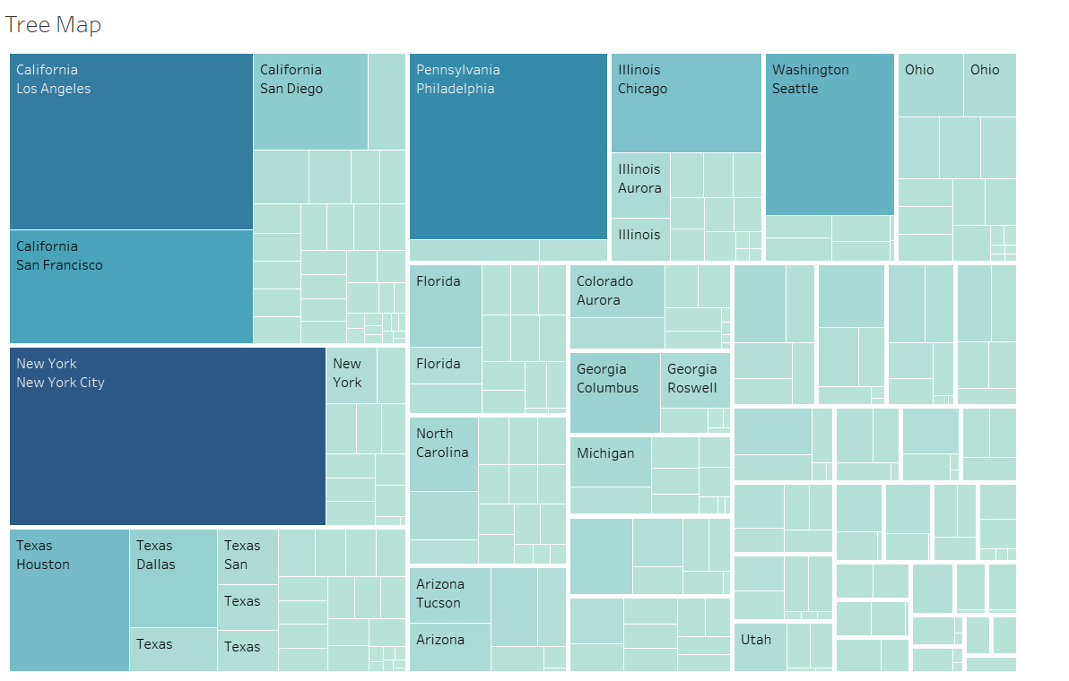
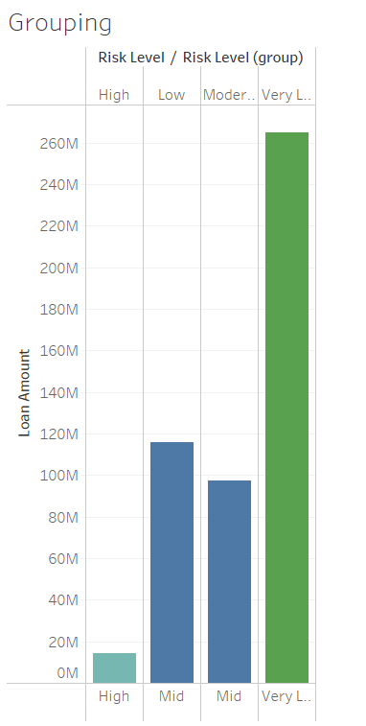
Fusion Finance has assigned you additional tasks to perform in Tableau:
Create a Tree Map: Use the Home State, Home City, and Loan Amount fields to build a tree map. Create Age Bins: Use the Age field to create bins with a size of 10. Draw a Histogram: Create a histogram using the Age field. Group Data on Bar Chart: Use the bar chart created earlier with Risk Level and Loan Amount fields. Group values other than the minimum and maximum as "Mid."

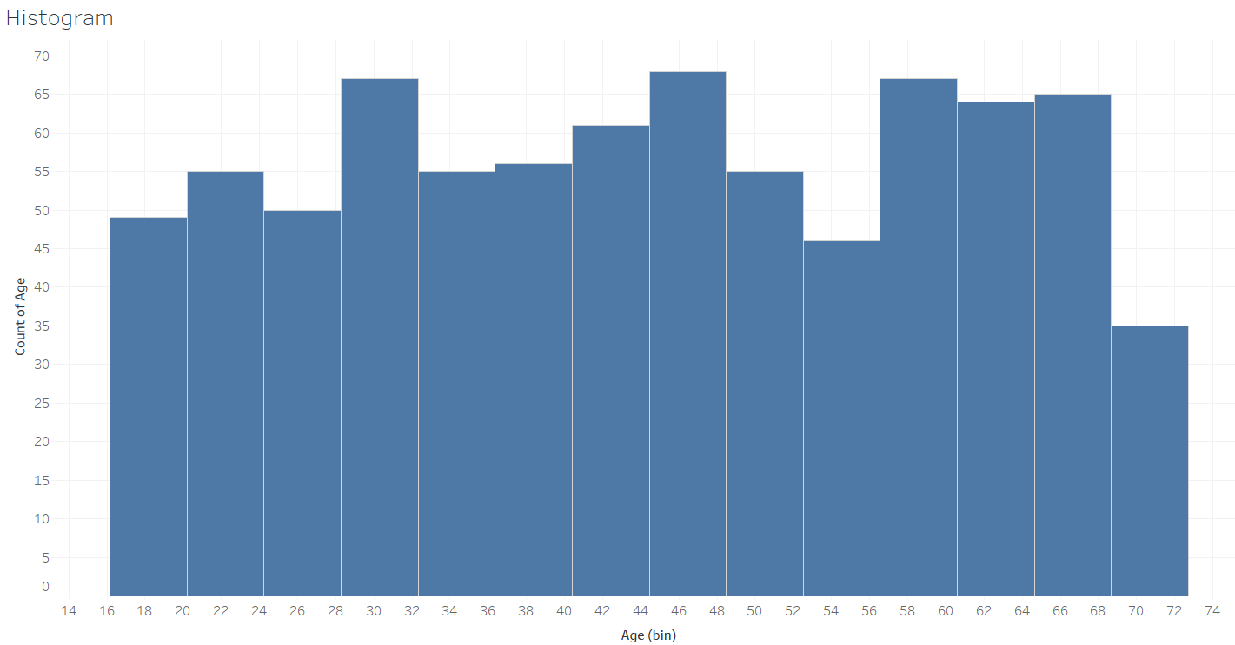
Your Output should be :

